Help Page
► Prior to filling out the Viracon Purchase Order Template, it is recommended that you save it with a unique file name.

 | To save the file:
 | → Click 'File'
 |  | → Click 'Save As'
 |  |  | → Select where you will save it
 |  |  |  | → Rename the file
 |  |  |  |  | → Click 'Save' | *SAVE OFTEN* as you work through the template

► Entering Your Information:
 | • Complete the Blue shaded areas in each worksheet.
 | • Drop-down boxes are available in some cells to assist in filling out the template.
 | • Duplicate information required on other worksheets will automatically fill in from earlier worksheets as you work through the template.

► Renaming Worksheets:
 | • You may want to rename the Make-up worksheet(s) to correspond with your individual glass types.
 |  | → Right click on the worksheet (tab at the bottom)
 |  |  | → Choose 'Rename'
 |  |  |  | → Enter the new worksheet name
 |  |  |  |  | → Hit 'Enter'
► Adding Worksheets:
 | • If you need additional Make-up worksheet(s)
 |  | → Right click on the worksheet (tab at the bottom)
 |  |  | → Choose 'Move or Copy...'
 |  |  |  | → Choose (move to end)
 |  |  |  |  | →Click 'Create a copy' and 'OK"
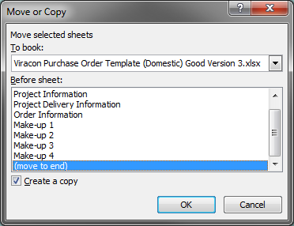

► Entering Make-up Information:

 | Misc. Definitions:
 | Conventionally Glazed: A framing system that captures the glazing component in the glazing channel. When conventionally glazed, the glass is surrounded by the framing system which is visible around the full perimeter of each glass unit.

 | Structurally Glazed: The use of a silicone sealant on one or more sides of the insulating unit for the structural transfer of loads from the glass to its perimeter support system and retention of the glass in the opening. When structurally glazed, the framing system is typically not visible on the exterior facade along the structurally glazed sides.

 | Point Supported Glazing: units have glass installed by edge clips, patch fittings or any noncontinuous framing member. Additonal review is needed. Please complete 2.3-3163 Point Support Review Request Form.

 | Capillary Tube: Used for equalizing pressure in insulating glass units for transport over mountains. (also used on all air freight)
 | Heat Soak: A process of heating glass to a specific temperature for a specified time in a special oven in an attempt to find any impurities in the glass known as "nickel sulfide inclusions".

► Entering Sizes/Quantities and Boxing/Delivery Schedule:
 | • You may need more columns for your Boxing/Delivery Schedule and/or Rows for additional order lines. To access these hidden rows and columns, you will need to unprotect the worksheet.

 |  | → From the Toolbar
 |  |  | → Go to the 'Review' tab.
 |  |  |  | → Select 'Unprotect Sheet'
 | • Once the worksheet is unprotected, you are able to 'Unhide' additional column for your Boxing/Delivery Schedule:

 |  | → Highlight Columns S and AP
 |  |  | → Right mouse click and choose 'Unhide'
 |  |  |  | → To hide unused columns, highlight columns to be hidden and choose 'Hide'

 | • To 'Unhide' rows for additional order lines:
 |  | → Highlight Rows 80 and 222
 |  |  | → Right mouse click and choose 'Unhide'
 |  |  |  | → To hide unused rows, highlight rows to be hidden and choose 'Hide'
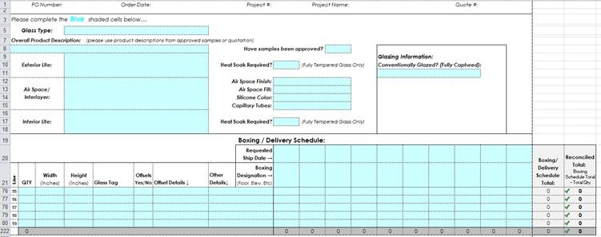

 | • It is a good practice to protect the document once this process has been completed.
 |  | → From the Toolbar
 |  |  | → Go to the 'Review' tab.
 |  |  |  | → Select 'Protect Sheet'
 |  |  |  |  | → Choose 'Allow all users of the worksheet to: Select: unlocked cells'

Offsets & Shapes Detail
EXTERIOR OFFSETS - VIEWED FROM EXTERIOR
**Items in RED must be provided to Viracon**

EXTERIOR OFFSET RIGHT
 |  | Building Interior
 |  |  | INTERIOR dimension
 |  |  |  |  |  | X | Height of Glass
 |  |  | EXTERIOR dimension |  | Offset Amt

EXTERIOR OFFSET LEFT
 |  |  | Building Interior
 |  |  |  | INTERIOR dimension
 |  |  |  |  |  | X | Height of Glass
 |  | Offset Amt |  | EXTERIOR dimension

 | FILL TYPE:
VIRACON STANDARD SHAPES - VIEWED FROM EXTERIOR
**Dimensions with a * are required.
